FA bugs
FA Bugs | Priority | Done? | Data update

Eventually get the dropdowns to respond to spatial filter as well? |  |  | Regions_Sites_dn.mdb, that has refined region polygons in the feature class named Regions_FishAtlas_dn | In SQL Server, but not in published map service yet

Cancel button for Species dropdown panel |  |  | Data_Catch -- _041022 version

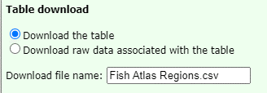

File name should be "Fish Catch for Alaska"?

Pad SiteID values so they sort correctly | y | y

Update download list (see Word doc) | y | y

I just discovered that while Items and Catch tallies update in response to the sites that are selected, the Hauls and Species tallies don't change. | y | y

When you click the magnifying glass in the Sites table, the map zooms in to 200m, which doesn't provide much in the way of orientation. I'm thinking 1km might be better. Thoughts? BTW, the scale bar at zoom-in shows 0.2 km in GOA, Aleutians, and Bering - and 200 m in Chukchi and Beaufort. I have no worries about the units; just an FYI. :) | n

The header on the Fish Catch table currently includes SiteID and WebLocation. It would be great to have Region in there, right below SiteID. | n

Regarding the download window, please change the title to Data download, increase the length of the filename area, and add the word Raw to the beginning of the filename when raw is selected. | n

layers show issue
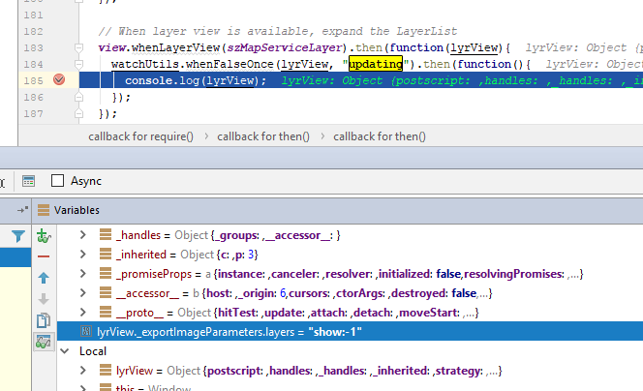
bug: | layers=show:-1 | 4.3
 | layers=show:3 | 4.5

